Step screenshot
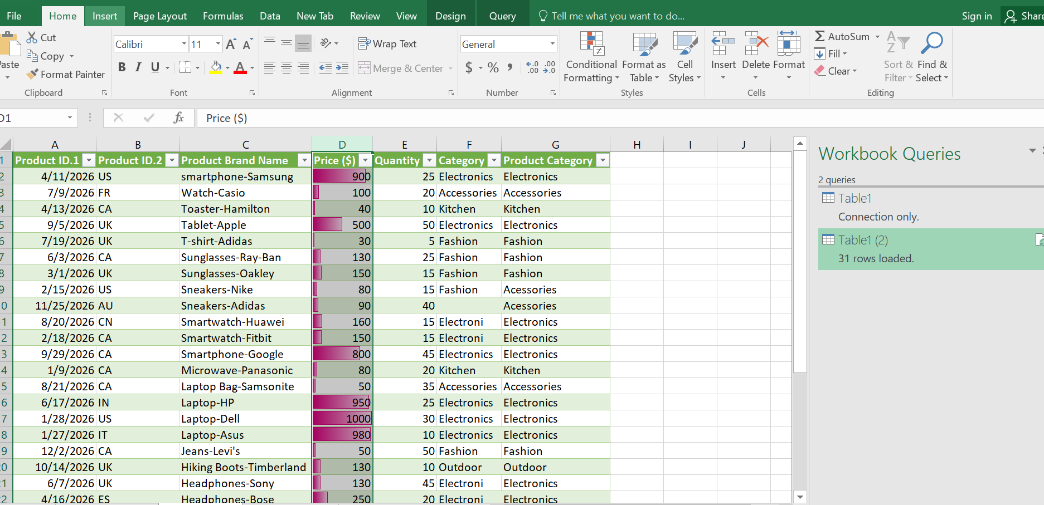
Step 1 Original DATA places and converted as table with using by the auto fit column

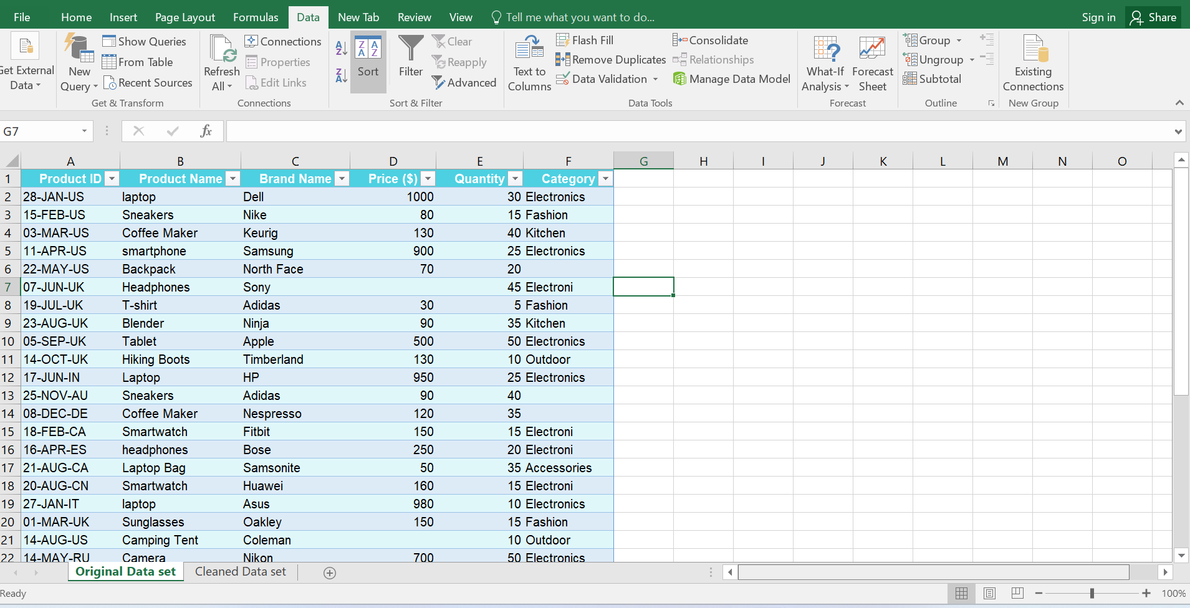

Step 2 Raw date has been transferred into the power query editor

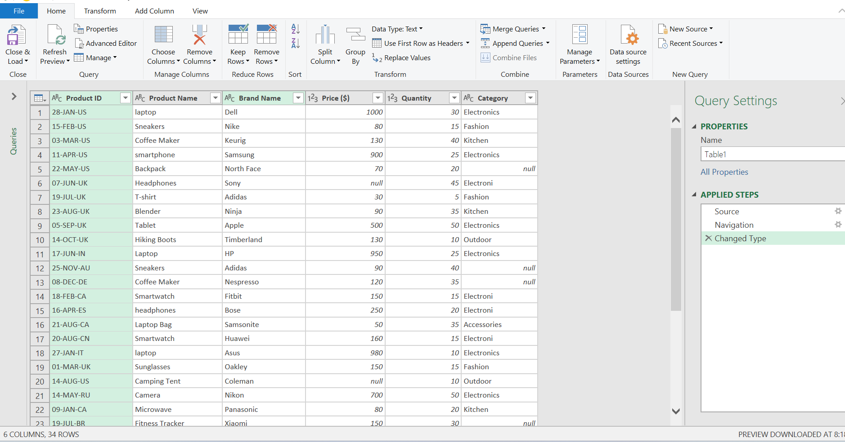

Step 3 Have to identified the null values

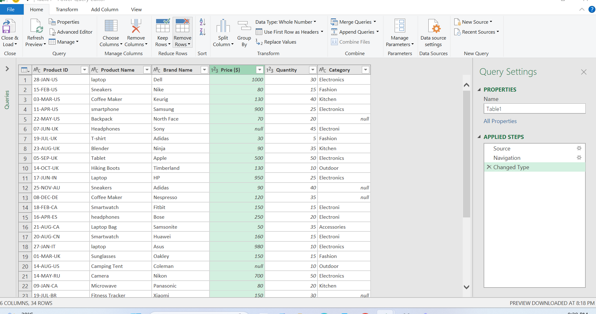

Step 4 to calculate the median value & Find Median as 130
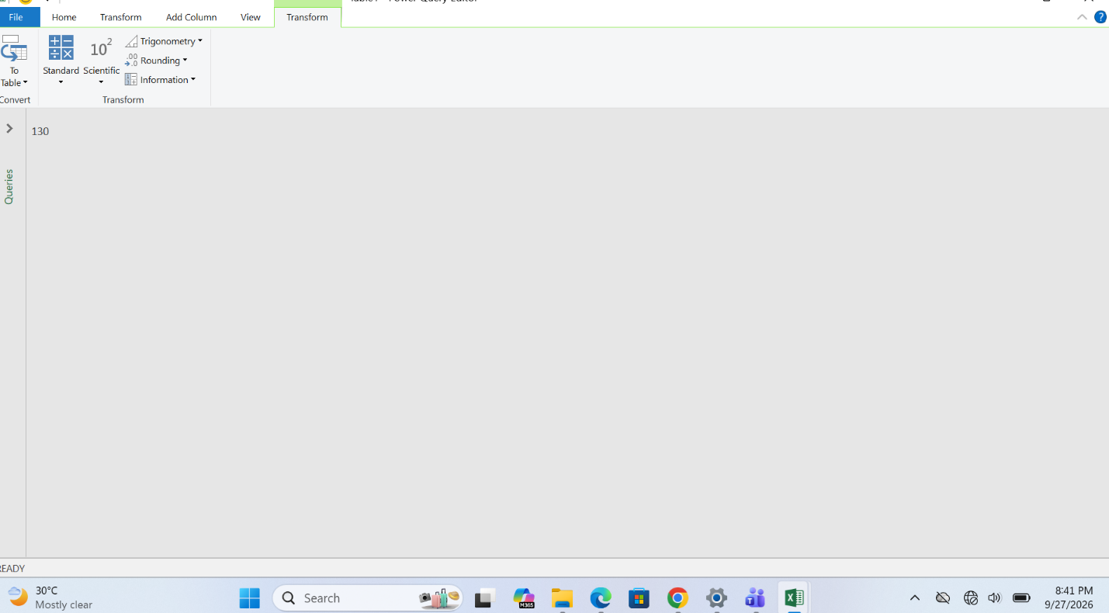

Step 5 Null values will be replaced as 130 in that Data

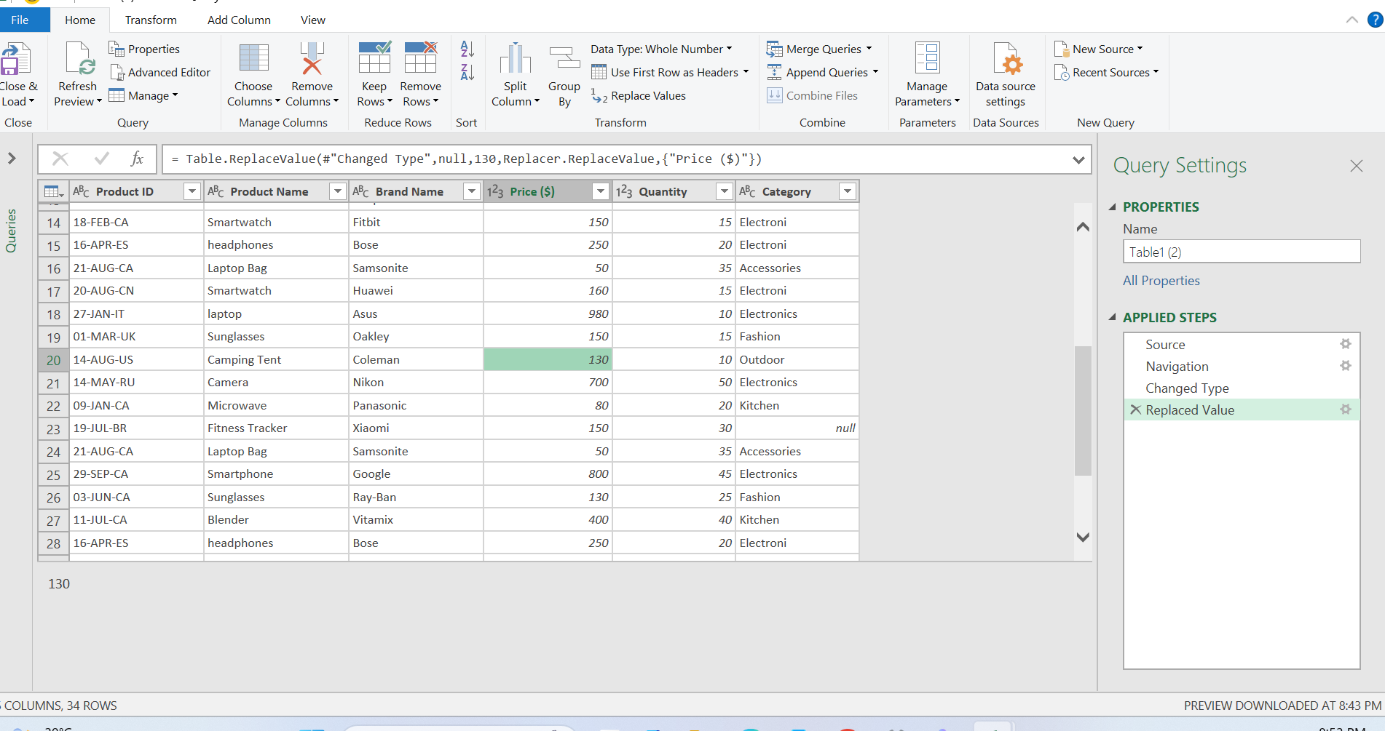

Step 6 Add the product category column and to avoid the missing category

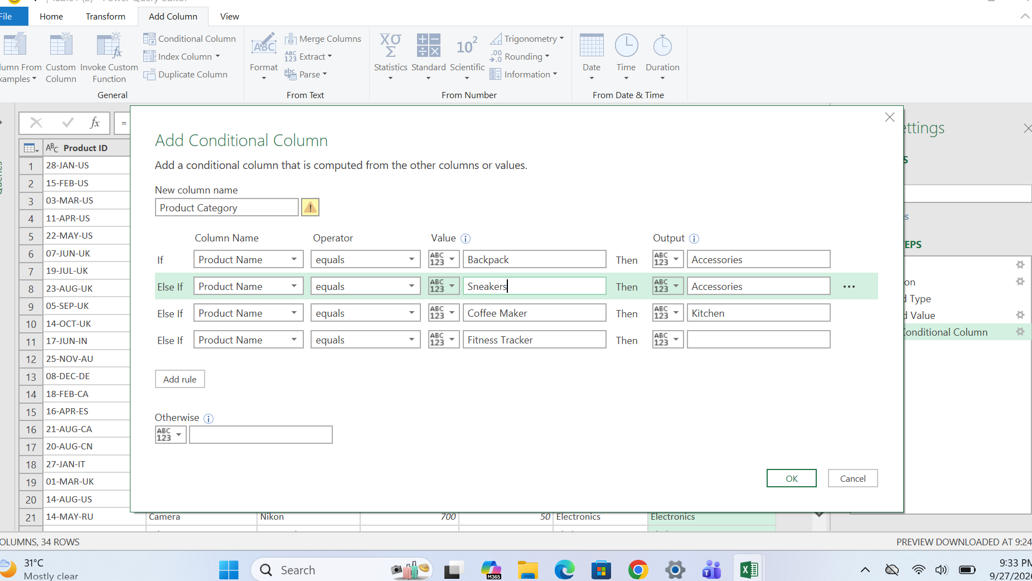

Step7 to replace the typo errors which is Electroni and Electronicscs will be replaced as electronics

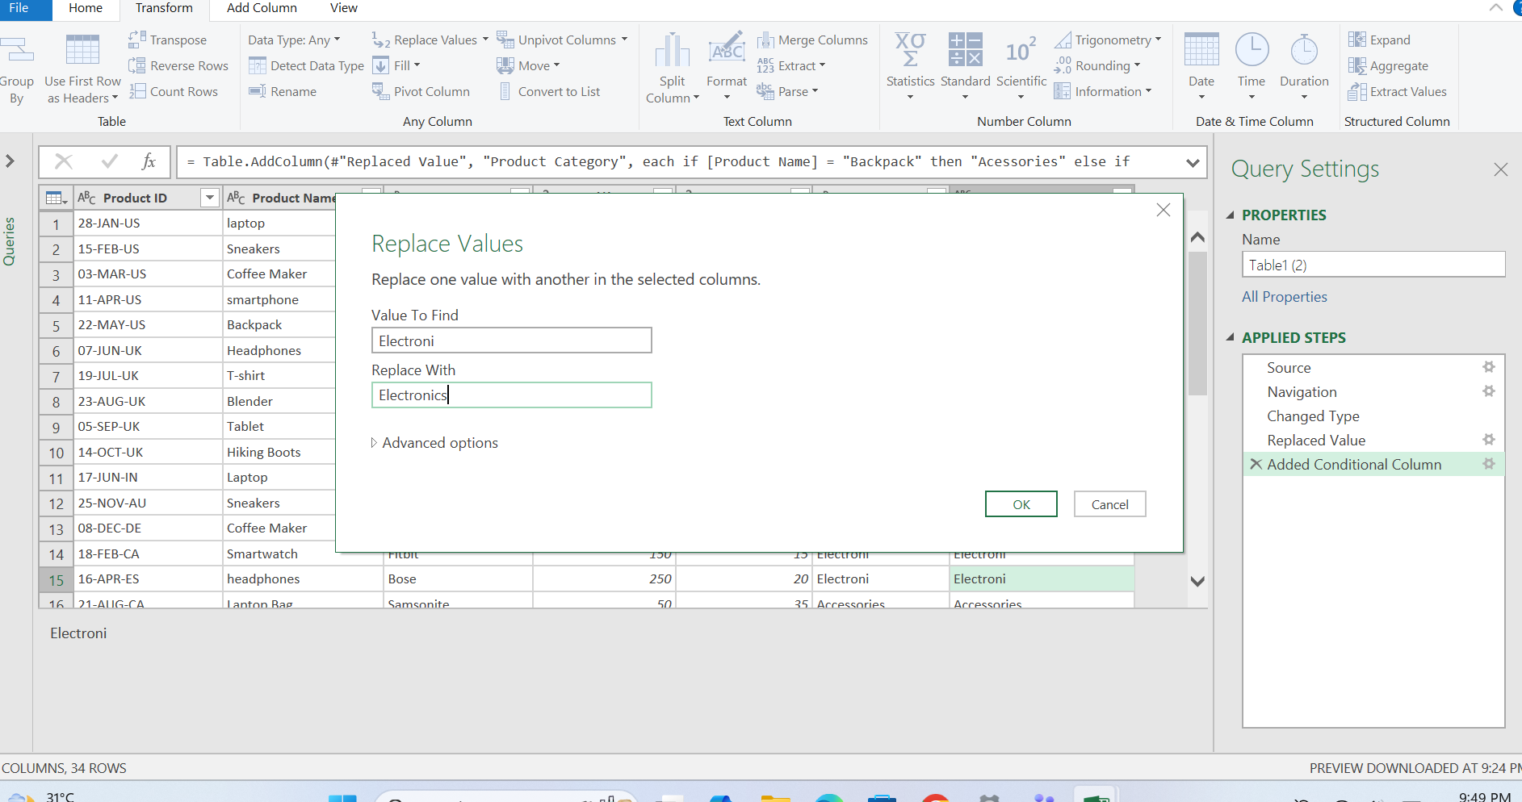

Step 8 laptop name replaced as Laptop
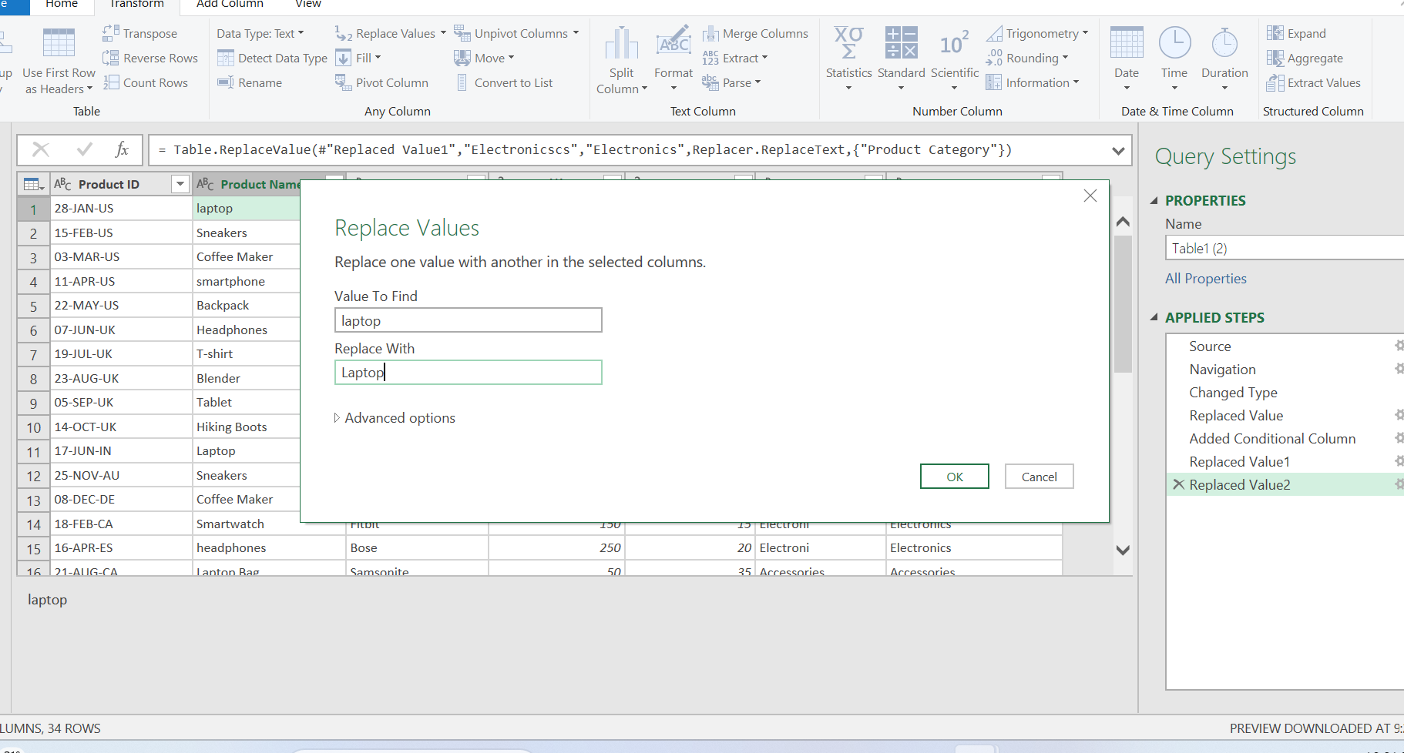

Step 9 Product name headphones replaced as Headphones

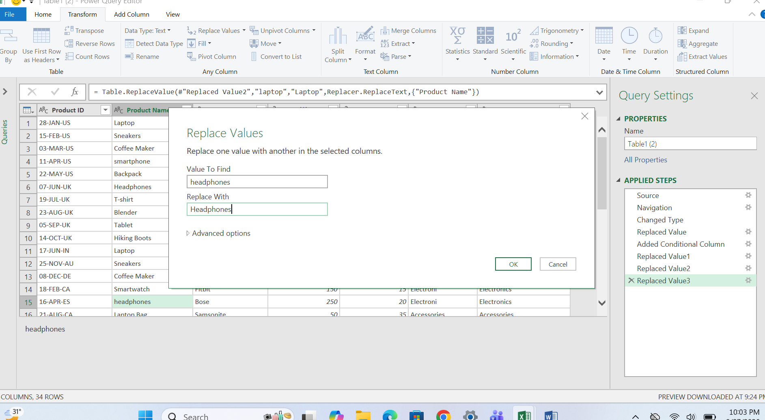

STEP 10 Remove the duplicates laptop hp, Headphones bose, Laptop bags

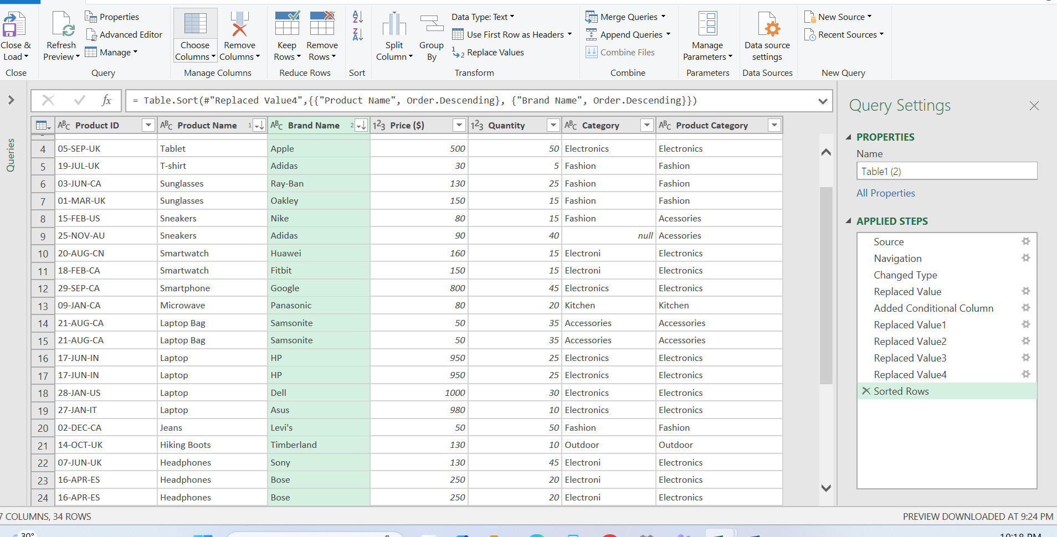

Step 11 duplicates products will be removed by the data

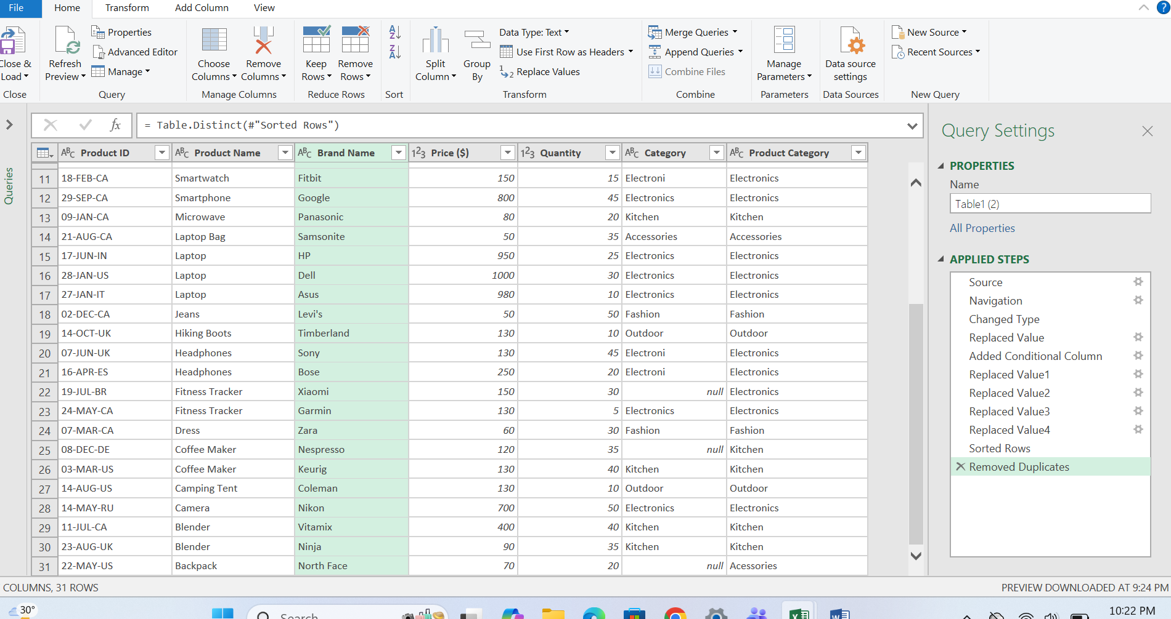

Step 12 spllitting and merging data

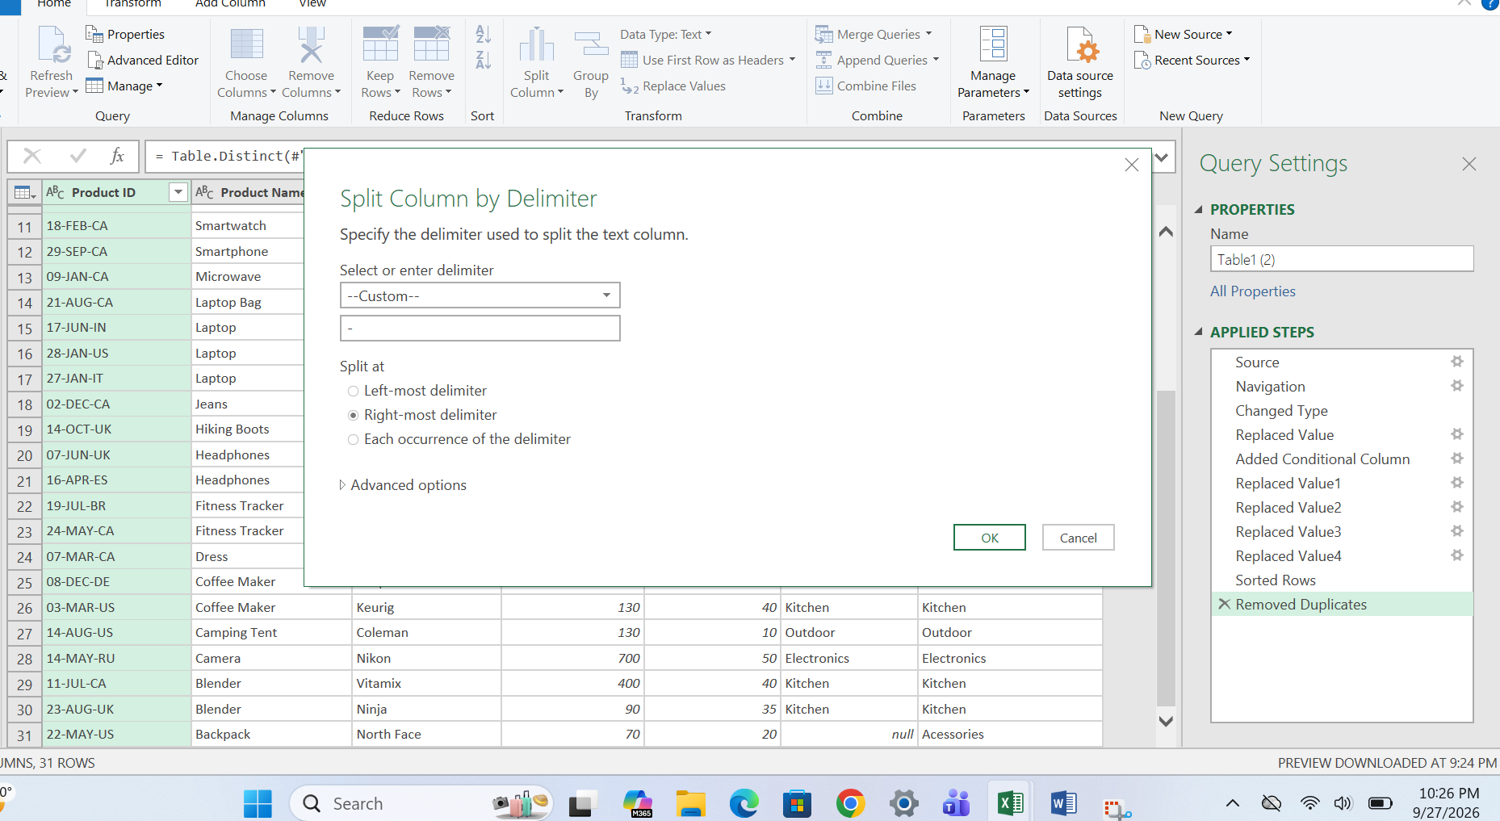

Step 13 splitting columns first will be product date and second is product code

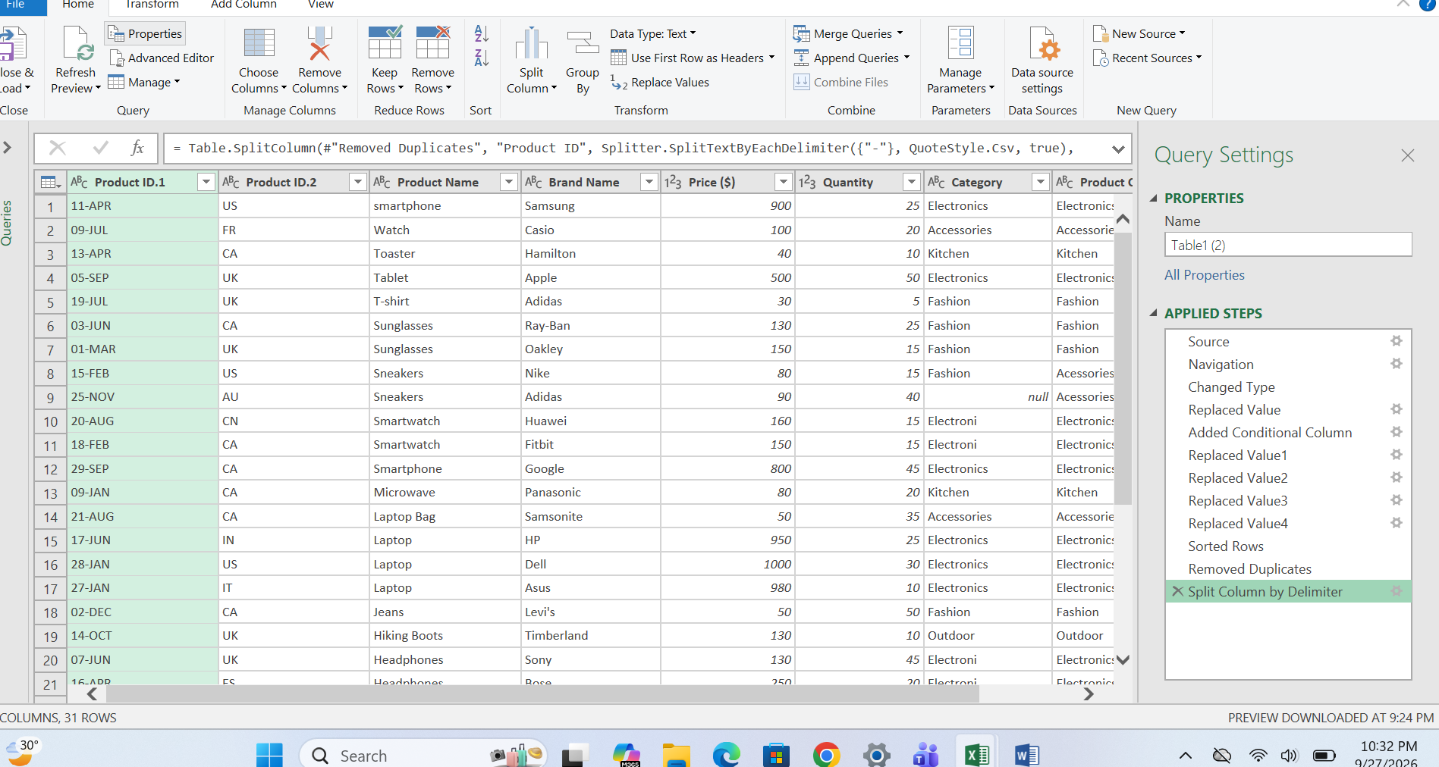

Step 14 merging the columns which is product & brand name
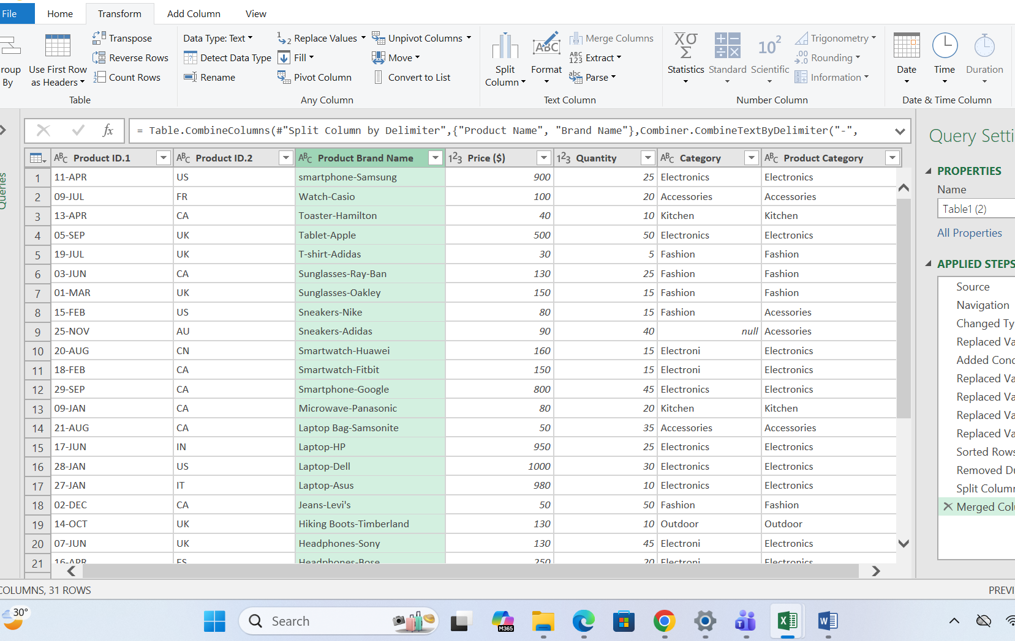

Step 15 manufacturing date convert into date format
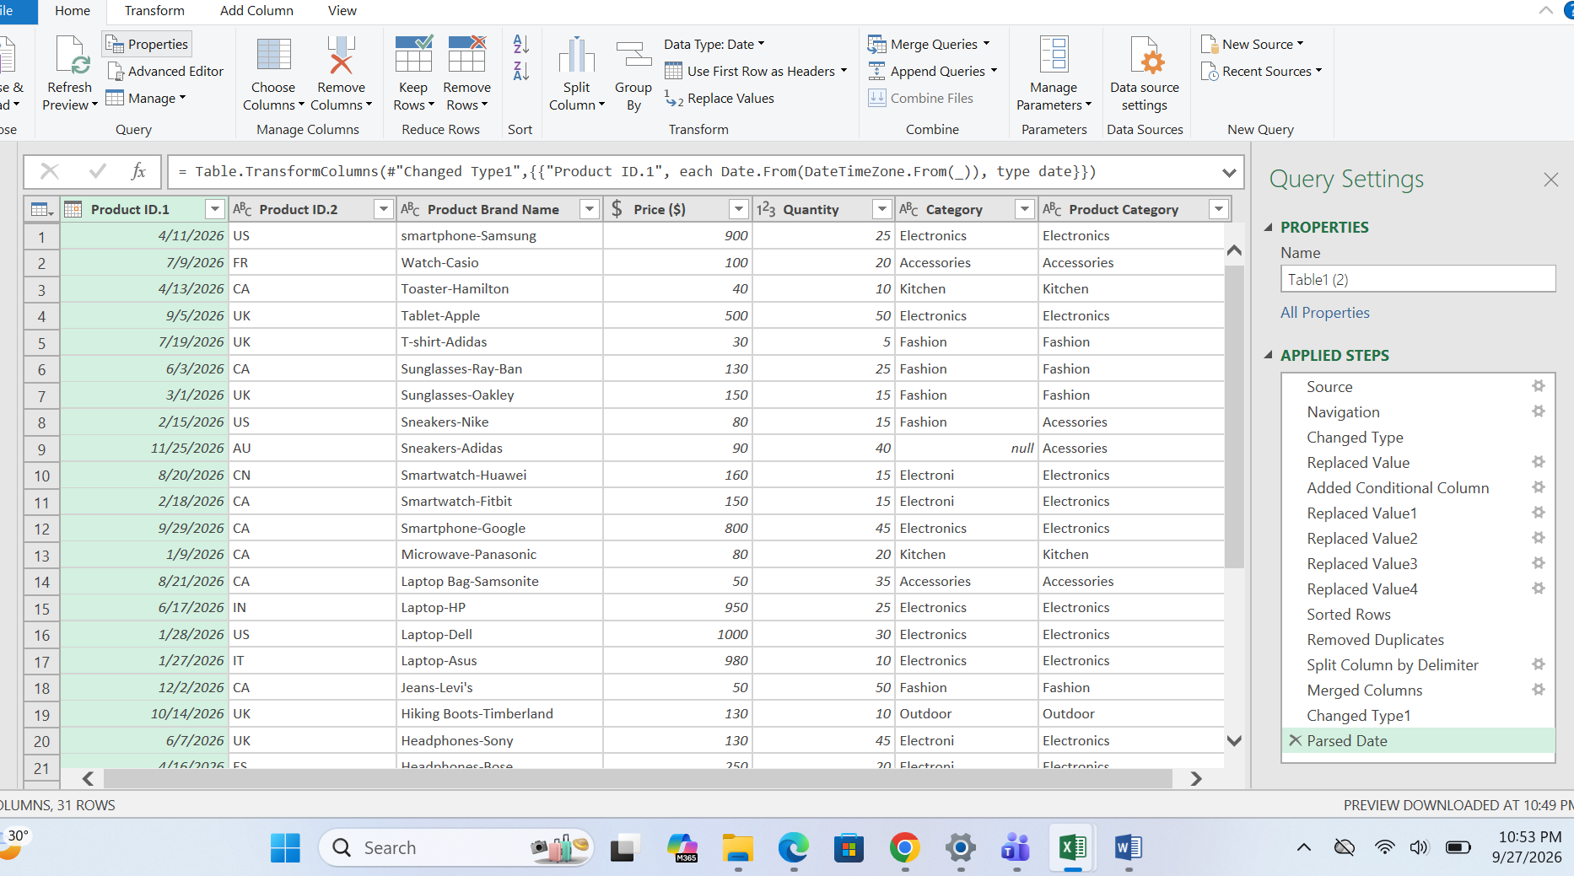

Step 16 closed and loaded the power query into excel type
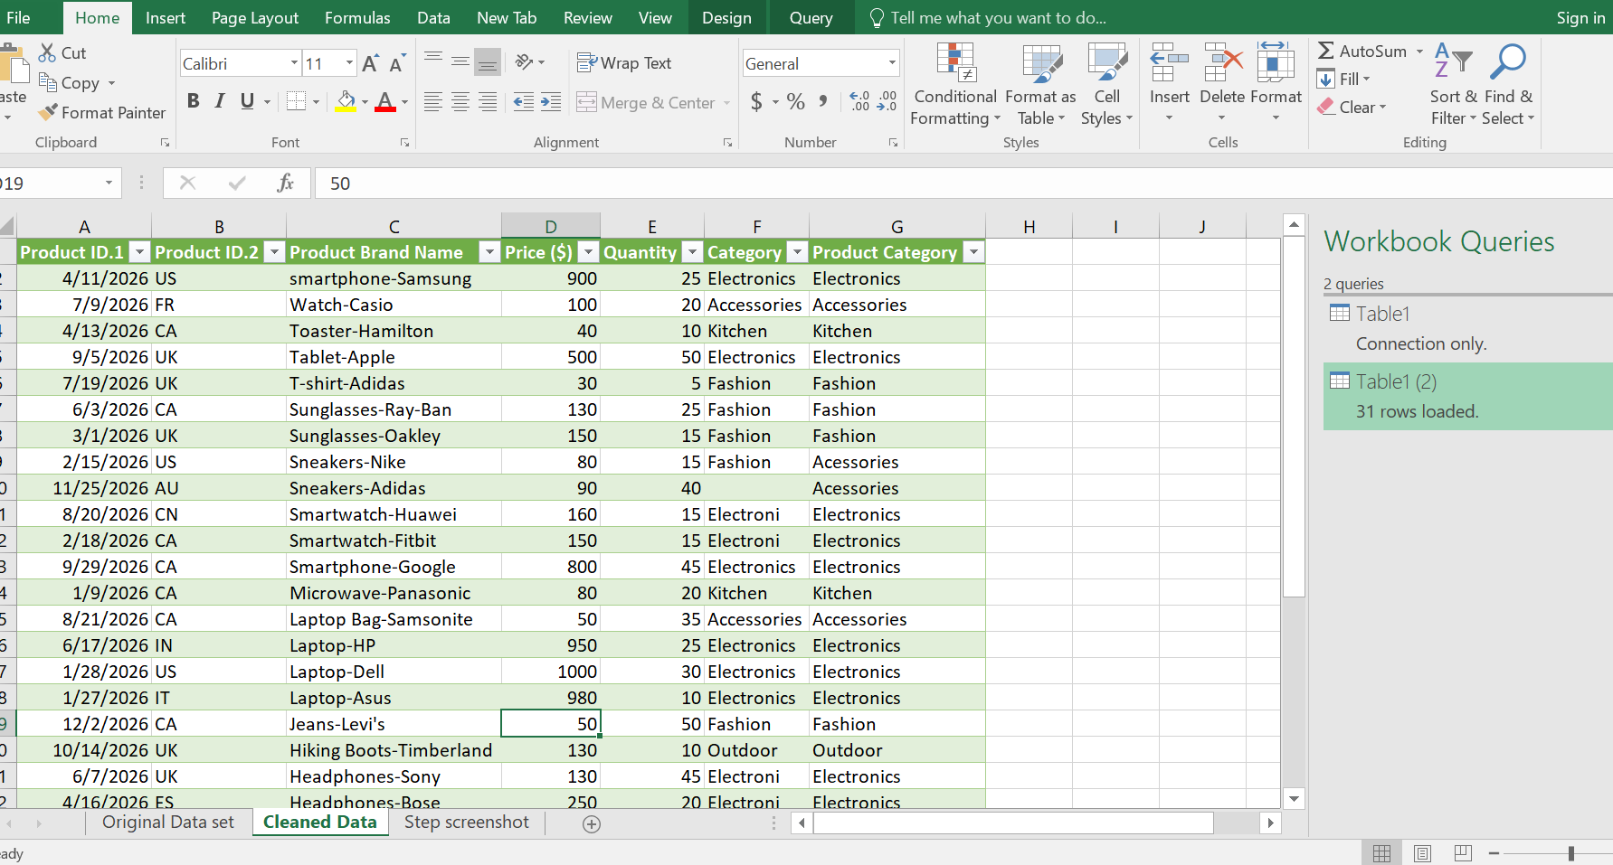

Step 17 finally excel file is completed as per the given instruction
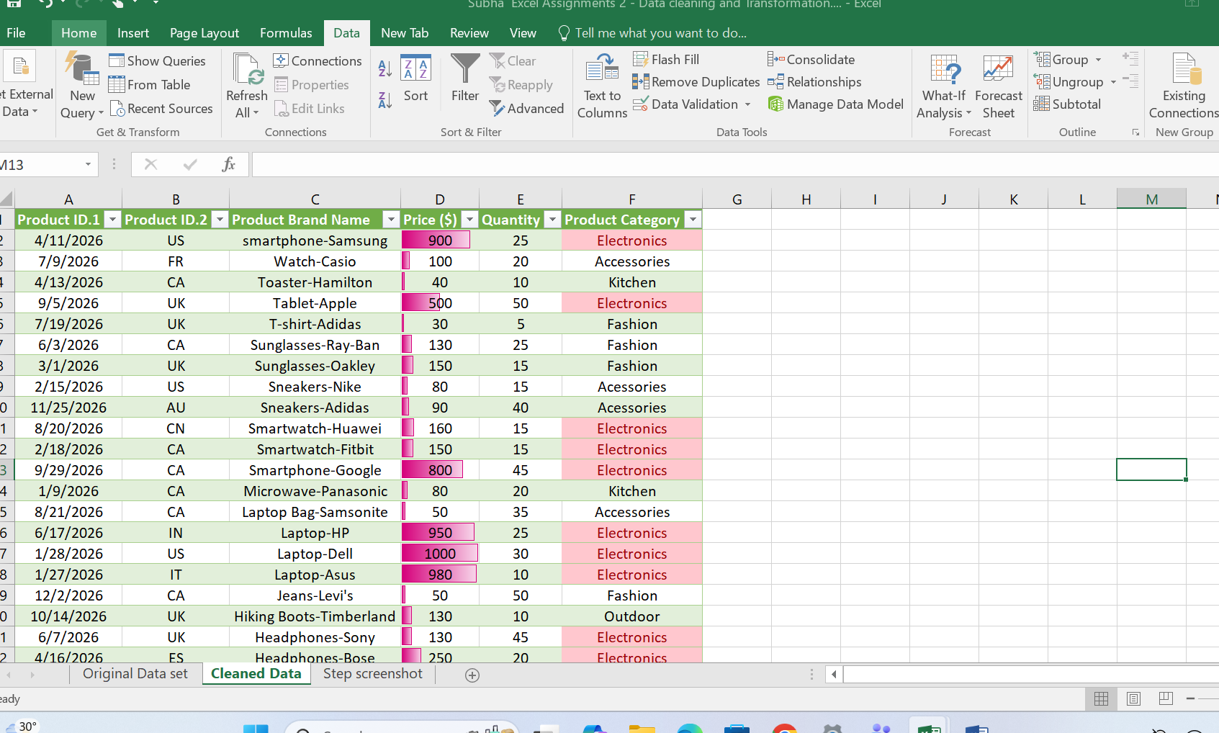

Final step - Step to use conditional formatting to highlight the values

